RBPS
36. The NEW Regional Bonus Points Scheme is being introduced in 2021. 1. The bonus points have been introduced to promote attendance at regional competitions to assist with numbers. 2. The bonus points will be applied across all 5 Leaderboards. 3. All riders who attend these competitions are eligible for the bonus points. 4. Regional Bonus Points will be added to each rider’s score as per the break down below: |  | 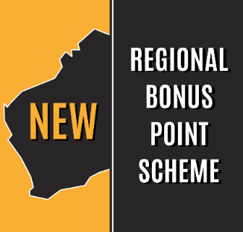

REGIONAL BONUS POINTS SCHEME
REGION 1 | REGION 2 | REGION 3
Clubs within 94km of Perth | Clubs 95km to 244km from Perth | Clubs 245+km from Perth

Not Eligible for Bonus Points | Eligible for 1 Bonus Point | Eligible for 2 Bonus Points
Bald Equestrian & Pony Club Inc. | Avon Valley Showjumping & Pony Club | Albany Pony Club
Darling Range Horse & Pony Club | Beverley Horse & Pony Club | Blackwood Horse & Pony Club
Darl Pony Club | Bun Horse & Pony Club | Bonnie Rock Horse & Pony Club
Eastern Hills Horse & Pony Club | Busselton Horse & Pony Club | Bruce Rock Pony Club
Gidgegannup Horse & Pony Club | Capel Horse & Pony Club | Carnarvon Horse & Pony Club
Gosnells Riding & Pony Club | Central Midlands Riding & Pony Club | Denmark Pony Club
Horsemen’s Pony Club | Collie Horse & Pony Club | Esperance
OGrove Horse & Pony Club | Dard Horse & Pony Club | KalDistrict Pony Club Inc.
Peel Metropolitan Horse & Pony Club | Dryandra Pony Club | Karratha & King Bay Horse & Pony Club
Riverside Park Pony Club | Kellerberrin Riding & Pony Club | Katanning & Districts Pony Club
Serpentine Horse & Pony Club | LF Pony Club | King River Pony Club
South Midlands | Mortlock | Kojonup Pony Club
Swan Valley Horse & Pony Club Inc. | Mt Bakewell Horse & Pony Club | Margaret River Horse & Pony Club
Wallangarra Riding & Pony Club | Murrry Horse & Pony Club | Mayanup Horse & Pony Club
Walton Riding & Pony Club | Wellington Pony Club | Mingenew Horse and Pony Club
Wanneroo Horse & Pony Club | York Pony Club | Moonyoonooka Horse & Pony Club
Woodridge Horse & Pony Club |  | Spalding Horse & Pony Club
Wooroloo Horse & Pony Club |  | Wagin Riding & Pony Club
 |  | Walkaway Pony Club
 |  | Warren Pony Club
 |  | West Plantagenet

