Cover
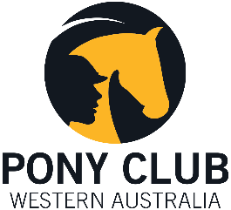

State Active Riding Championship 2020
5-6th September, Serpenting H&PC
ENTRY FORMS & DECLARATIONS
Both forms are to be completed by your Club representative. These must be emailed in Excel format to:
activeriding@ponyclubwa.asn.au
By 5pm Friday 14th August 2020
With thanks to our Association Sponsors:
Please Note: This is a Smoke, Alcohol and Dog Free Event

